Sheet1
 |  | Document No. | Issue No. |  | Issue Date |  | Review and Replace Date |  |  | Authorised By
 |  | GFF157MC | 1 |  | 30.01.2020 |  | New Issue |  |  | Magda Shah
 |  | Document Title | DAHL WITH SPINACH, BUTTERNUT SQUASH & BROWN RICE 450g
Document amendments reason for change |  | New product launch |  | Page 1 of 1 |  | Previous Issue Date |  | New Issue |  | Uncontrolled copy unless signed original

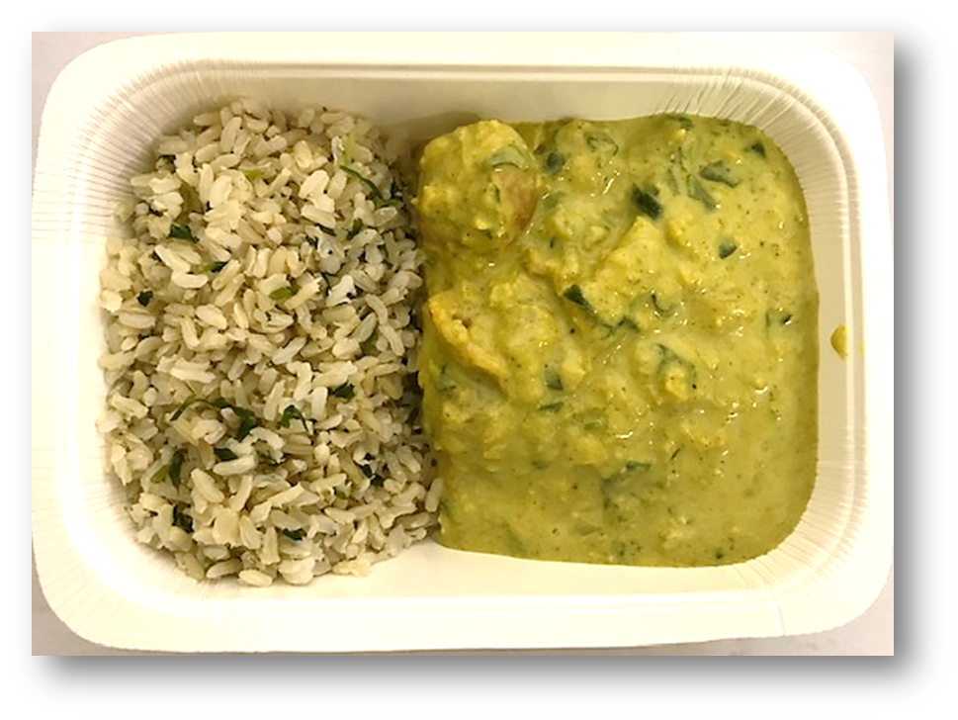
FVDBSR-R8TMC | MINDFUL CHEF |  | DAHL WITH SPINACH, BUTTERNUT SQUASH & BROWN RICE 450g | FROZEN
STEP 1 |  |  | STEP 3 |  |  |  |  |  | STEP 4
 |  |  | 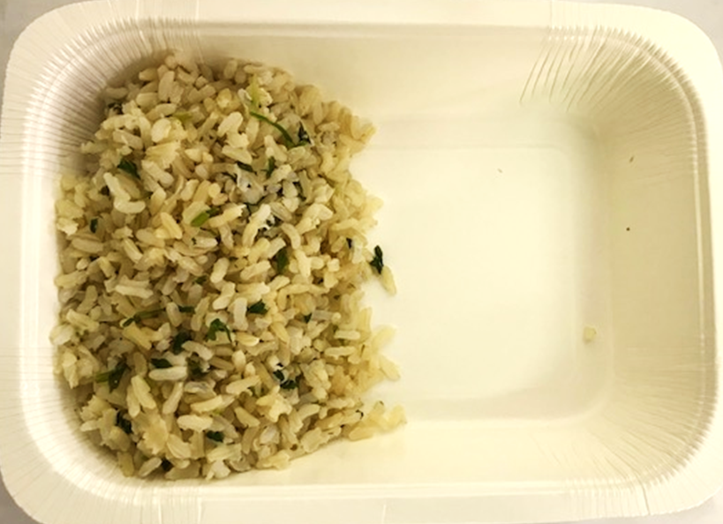

Tray: WHITE OVENABLE BOARD TRAY (PKSOU002-01) |  |  | BROWN RICE (GFF255R): 110g |  |  |  |  |  | SPINACH DAHL (GFF290R) 250g
Film: 145 X 100 X 250 (PKWRA001-07)
STEP 5 |  |  | STEP 6 |  |  |  |  |  | STEP 7
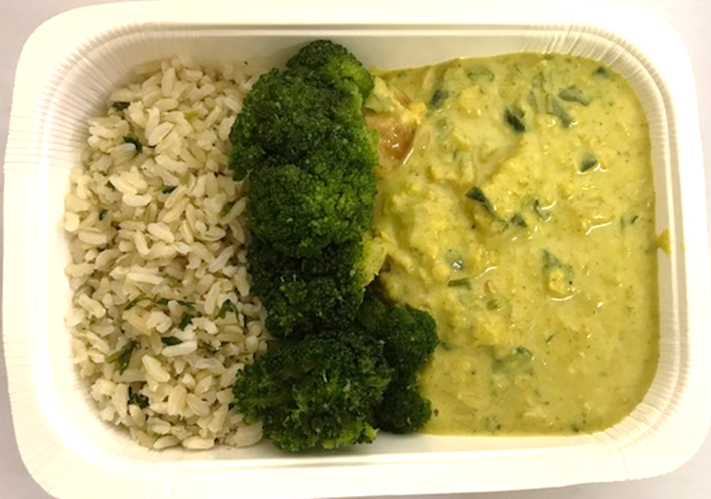 |  |  | 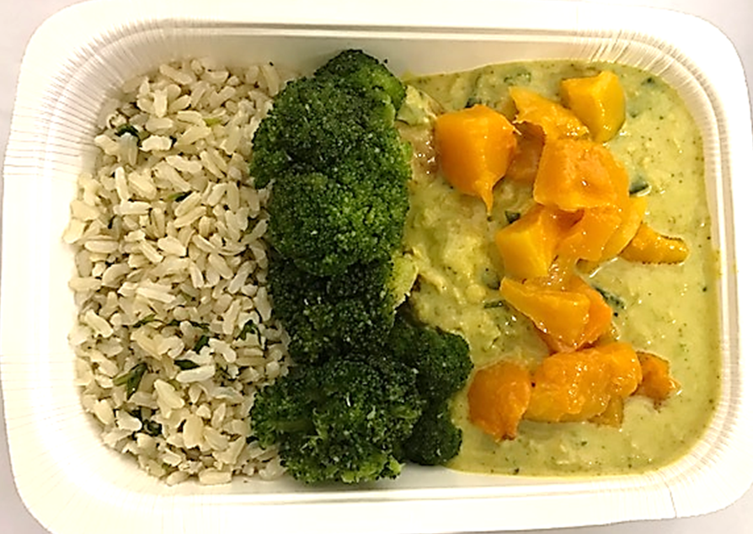 |  |  |  |  |  | 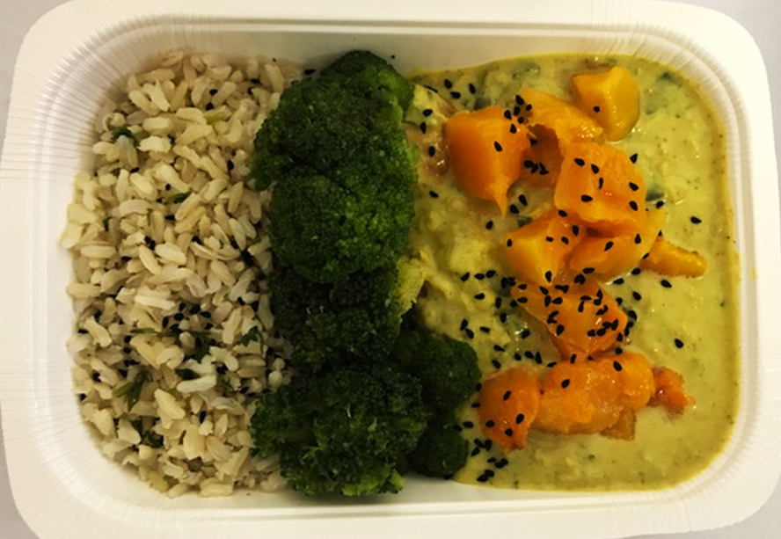

STEAMED BROCCOLI (GFF291R) 55g |  |  | BUTTERNUT SQUASH 20MM DICED (RMBEA001-02) 34g |  |  |  |  |  | ROASTED KALONJI SEEDS (GFF295R) 1g |  | TOTAL WEIGHT: 450g

ALLERGY ALERT: NONE

